Signal List
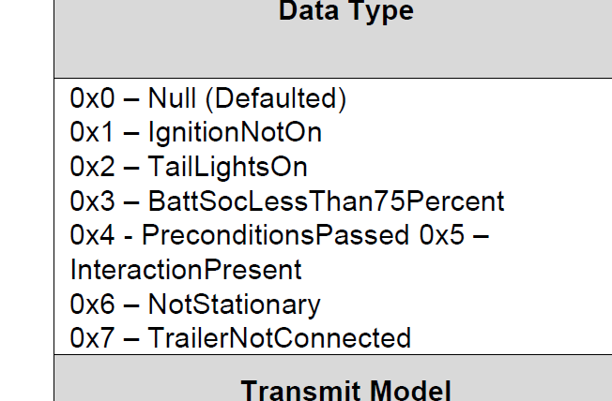
Msg ID | Signal | Transmitter | Reveicer | CAN | DescriptionOfData | 红色是原先信号列表里有，但是DBC没有的
 | TlghtTestPrecnd_D_Stat | BCM | GWM | HS1 |  | 黄色是原版信号列表和DBC里都没有的
 | TlghtTest_D_Stat | BCM | GWM |  |  | 绿色是信号列表和DBC里都有的
 | TlghtTestLght_D_Stat | BCM | GWM
 | TlghtTestPrecnd_D2_Stat | BCM | GWM | HS1
 | TlghtTestLght_D2_Stat | BCM | GWM
 | StopLghtOn_B_Stat | BCM | GWM | HS1
 | TurnLghtLeft_D_Rq | BCM | GWM
 | TurnLghtRight_D_Rq | BCM | GWM
 | Parklamp_Status | BCM | GWM
 | FogLghtRearOn_B_Stat | BCM | GWM
 | RvrseLghtOn_B_Stat | BCM | GWM
 | TlghtTest_D_RqArb | GWM | BCM | HS1
 | ElPw_D_Stat | GWM | BCM | HS1
 | Veh_V_ActlEng | GWM | BCM
 | GearLvrPos_D_Actl | GWM | BCM
 | TrlrLampCnnct_B_Actl | GWM | BCM | HS1 | `
 | TlightTest_D_Mnu | APIM | GWM | MS1 | DBC中没有发送节点
 | TlghtTestPrecnd_D_Stat | GWM | APIM | MS1 | Trailer Light Check Pre-Condition Signal
 | TlghtTest_D_Stat | GWM | APIM
 | TlghtTestLght_D_Stat | GWM | APIM
 | TlghtTestPrecnd_D2_Stat | GWM | APIM
 | TlghtTestLght_D2_Stat | GWM | APIM
 | TrlrLampCnnct_B_Actl | TRM_ITRM | GWM | MS1
 | StopLghtOn_B_Stat | GWM | TRM_ITRM | MS1
 | TurnLghtLeft_D_Rq | GWM | TRM_ITRM
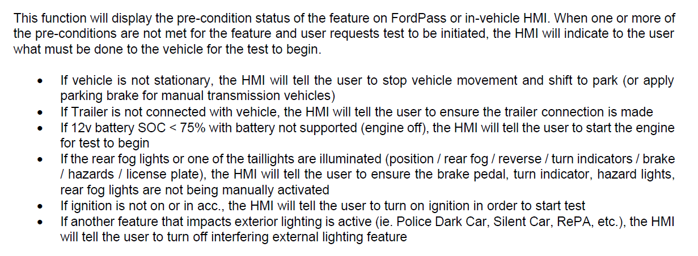
 | TurnLghtRight_D_Rq | GWM | TRM_ITRM
 | Parklamp_Status | GWM | TRM_ITRM
 | FogLghtRearOn_B_Stat | GWM | TRM_ITRM
 | RvrseLghtOn_B_Stat | GWM | TRM_ITRM
 | ElPw_D_Stat | PCM | GWM | HS1/CAN FD1
 | Veh_V_ActlEng | PCM | GWM
 | GearLvrPos_D_Actl | PCM | GWM

 | Fordpass related signal to be provided

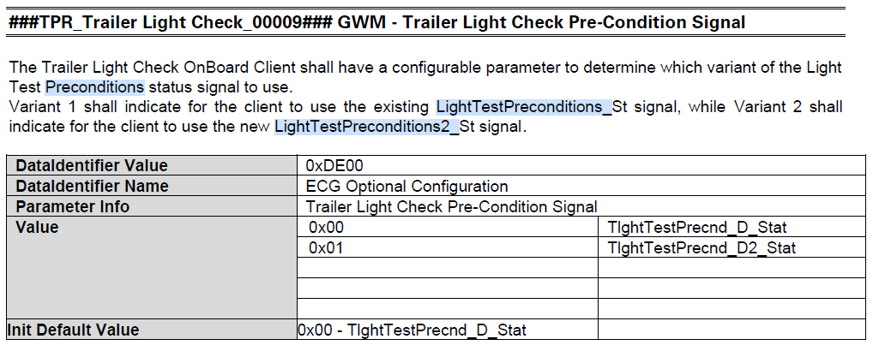
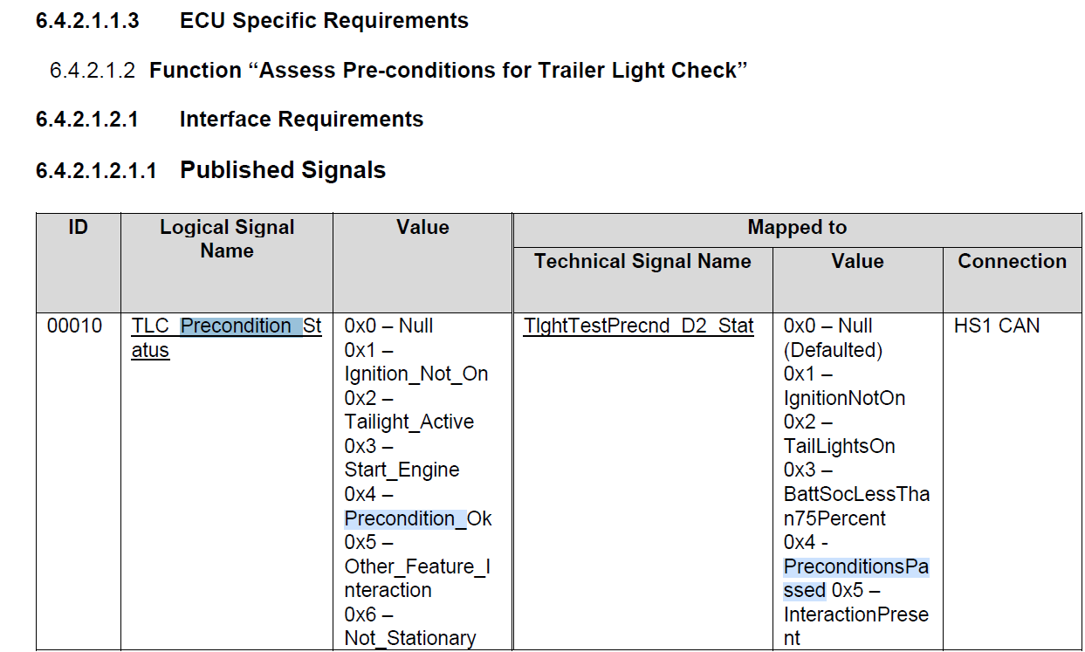
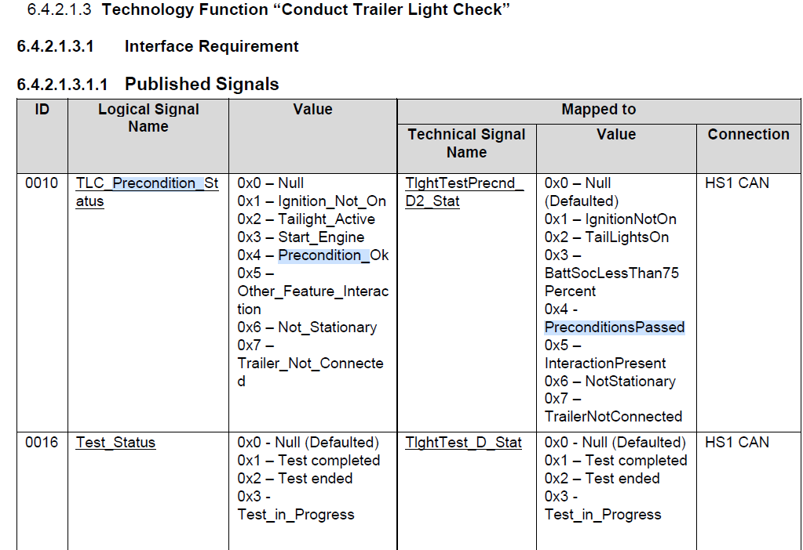

 |  |  |  |  | What is the difference between these two configurations?
 |  |  |  |  | What is the difference between the preconditions they each represent?

